1. Title Page
Instacart Basket Analysis
Completed Apr. 2022
by Lex Devlin

Contents:
Population Flow
Consistency checks
Wrangling steps
Column derivations
Visualizations & Recommendations

Data used:
“The Instacart Online Grocery Shopping Dataset 2017”, Accessed from https://www.instacart.com/datasets/grocery-shopping-2017 on 4/18/22.

2. Population Flow
Title page

Population flow

Exclusion flag
Condition: max_order < 5
Obervations to be removed: 1,445,877
Final total count of final_dataframe: 30,988,612

orders_products_combined
orders_products_merged
final_dataframe (v1-v3)

Total: 32,434,489
Total: 32,434,489
Total: 32,429,931

3. Consistency checks
 |  |  |  |  | Title page
Consistency checks

Dataset | Missing values | Missing values treatment | Duplicates | Duplicates treatment
orders | 206209 | contextualization: first_order flag created (validity double checked via crosstab) | 0 | N/A
products | 16 | removal | 5 | removal
orders_products_prior | 0 | N/A | 0 | N/A
customers | 0 | N/A | 0 | N/A

4. Wrangling steps
 |  |  |  | Title page
Wrangling steps

Columns dropped | Columns renamed | Columns' type changed | Comment/Reason
eval_set |  |  | unnecessary data
 | orders_dow |  | now: orders_day_of_week
 |  | order_id | changed to string intead of int
 |  | user_id | changed to string intead of int
 | first_name & Surnam |  | Concatenated into "Name"
Name |  |  | Dropped for data security/PII

5. Column derivations
 |  |  |  | Title page

Column derivations and aggregations

Dataset | New column | Column/s it was derived from | Conditions
orders | first_order | days_since_prior_order | null
orders_products_merged | price_range_loc | prices | <5 = Low-range product, 5-15 = Mid-range product, >15 = High-range product
 | busiest_days | orders_day_of_week | 0 or 1 (Saturday and Sunday) = Busiest days, 3 and 4 (Tuesday and Wednesday) = Slowest days, all others = Regularly busy
 | busiest_period_of_day | order_hour_of_day | 9am-4pm = Most orders, 5pm-10pm and 7am-8am = Average orders, 11pm-6am = Fewest orders
 | max_order | user_id, order_number | groupby user_id, max order_number
 | loyalty_flag | max_order | 40 or more orders = Loyal customer, between 10 and 40 orders = Regular customer, less than 10 orders = New customer
 | avg_spend | user_id, prices | groupby user_id, mean prices
 | spending_flag | avg_spend | spending over $10 per item on average = High spender, spending less than $10 per item on average = Low spender
 | avg_days_since_prior_order | user_id, days_since_prior_order | groupby user_id, days_since_prior_order mean
 | frequency_flag | avg_days_since_prior_order | average time in between orders greater than 20 days = Non-frequent customer, between 10-20 days = Regular customer, less than 10 days = Frequent customer
final_dataframe_v1 | Region | State | States arranged into their respective four regions: Northeast, Midwest, South, West
final_dataframe_v2 | income_range | income | Income less than $50,000 = Low-income, between $50,000 and $120,000 = Middle income, greater than $120,000 = High income. These ranges are relative to the data set, which includes very few actual low-income folks.
 | customer_profile | Age, fam_status, n_dependants | Profiles created: Single Adult (Young), Single Adult, Single Parent (Young), Married Parent, Married Parent (Elder), and Divorcee (Elder). Some notes: Single parents are *only* <21 in this data set, there are no married >21 adults *without* dependents in this data set, and divorcees are *only* >60 in this data set.
 | peak_flag | temporary columns | flags whether on average a user usually shops during peak hours or off-peak hours
 | day_flag | temporary columns | flags whether on average a user usually shops during weekdays or weekends
 | shopper_profile | day_flag, peak_flag | Profiles created: Peak Weekend shopper, Off-Peak Weekend shopper, Peak Weekday shopper, Off-Peak Weekday shopper
 | usage_frequency | order_id, days_since_prior_order | groupby order_id, days_since_prior_order mean
 | order_expenditure | order_id, prices | groupby order_id, prices sum

6. Visualizations
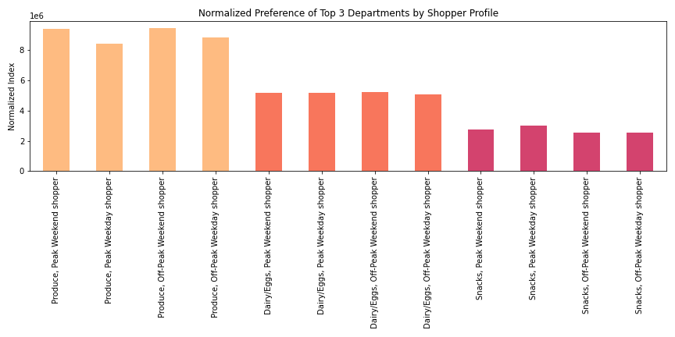
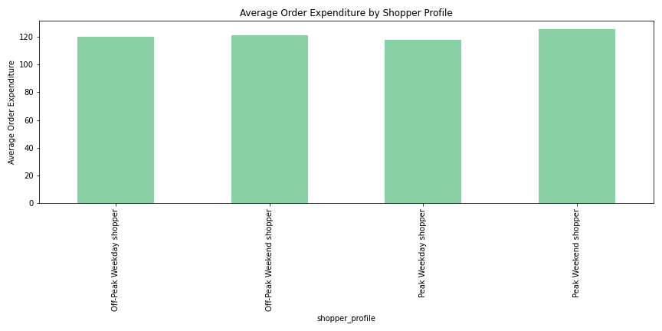
 |  |  | Title page

Visualizations

Key Questions |  | Summary of Recommendations

Select a Key Question to be directed to the relevant visualization(s) and recommendations. |  | *1 | Tuesday and Wednesday are key days for Instacart to schedule ads.
 |  | 2 | Consider scheduling ads between 5pm-10pm and between 6am-8am.
1 | The sales team needs to know what the busiest days of the week and hours of the day | 3 | Consider advertising more expensive products later in the day.
 | are (i.e., the days and times with the most orders) in order to schedule ads at times | 4 | Include produce, eggs, and dairy products in promotional materials.
 | when there are fewer orders. | 5 | Heavily consider encouraging new and regular customers to use their platform as much as possible.
 |  | 6 | Focus efforts mainly on customers earning $50,000 or more.
2 | They also want to know whether there are particular times of the day when people spend | 7 | Consider including snacks in promotional materials for customers who earn less than $50,000.
 | the most money, as this might inform the type of products they advertise at these times. | 8 | More orders should be encouraged from 9am-5pm on weekends as this period accounts for a disproportionately large chunk of revenue.
 |  | 9 | Consider marketing produce more on the weekend and snacks more on weekdays.
3 | Instacart has a lot of products with different price tags. Marketing and sales want to use
 | simpler price range groupings to help direct their efforts. |  | *recommendation list numbers do not necessarily correspond to Key Question list numbers

4 | Are there certain types of products that are more popular than others? The marketing
 | and sales teams want to know which departments have the highest frequency of product
 | orders.

 | The marketing and sales teams are particularly interested in the different types of
 | customers in their system and how their ordering behaviors differ. For example:

5 | What’s the distribution among users in regards to their brand loyalty (i.e., how
 | often do they return to Instacart)?

6 | Are there differences in ordering habits based on a customer’s loyalty status?

7 | Are there differences in ordering habits based on a customer’s region?

8 | Is there a connection between age and family status in terms of ordering habits?

9 | What different classifications does the demographic information suggest? Age?
 | Income? Certain types of goods? Family status?

10 | What differences can you find in ordering habits of different customer profiles?
 | Consider the price of orders, the frequency of orders, the products customers are
 | ordering, and anything else you can think of.

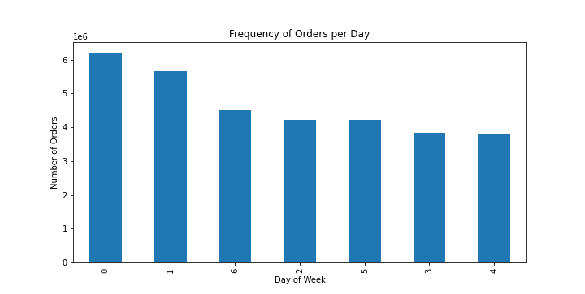
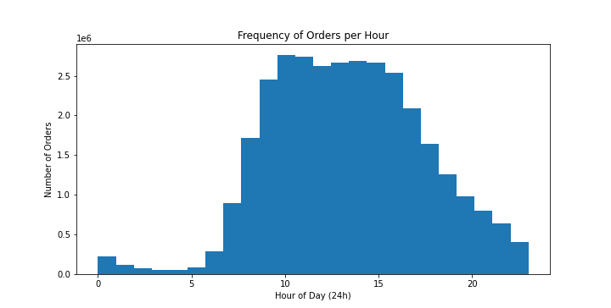
1. Busiest Days of the Week & Hours of the Day

The above charts demonstrate the busiest days of the week (left) and the busiest period of the day (right).
As we know, this data set's index for days of the week starts at "0" on Saturday - this is also the day when people make the most orders on average, followed closely by Sunday. People shop much more on the weekend! The two least busy days of the week are Tuesday and Wednesday. Tuesday and Wednesday, therefore, are key days for Instacart to schedule ads.
Regarding the busiest times of day, the chart to the right demonstrates the frequency of orders per hour, with "0" implying midnight, "10" implying 10am and so forth. The period between 9am-5pm represents the most busy time of day by far - this period accounts for nearly two-thirds of all orders despite representing just one-third of the day. In stark contrast, there are very few orders placed between the hours of 11pm-6am, when most people are asleep. As such, Instacart should consider scheduling ads between 5pm-10pm and between 6am-8am.

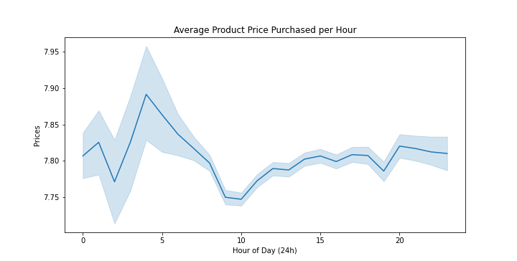
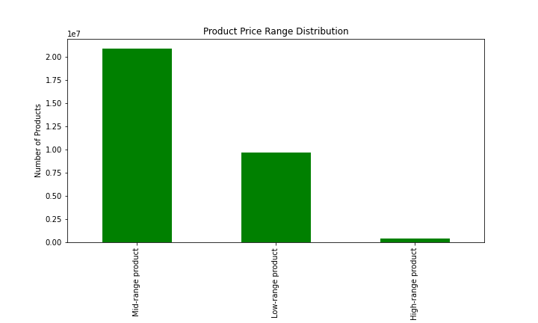
2. Spending per Hour |  | 3. Price Range Groupings

This line chart demonstrates the average price of products purchased at each hour of the day. Take note of the very small differences in the price on the y-axis (on the left). The average price of products purchased does not change very much throughout the day.
Still, customers tend to buy slightly more expensive items on average late at night around 3am-4am and slightly less expensive items in the morning around 9am-10am. This could reflect human willpower waning as the day goes on, with folks being willing to spend more. Instacart may make use of this insight by advertising more expensive products later in the day.

As requested, every product in the data set has been sorted into three price ranges, whose distribution can be observed above. Notable is the relative absence of High-range products.
The sorting criteria was as follows:
Product costs less than $5.00 = Low-range product
Product costs between $5.00 and $15.00 = Mid-range product
Product costs more than $15.00 = High-range product

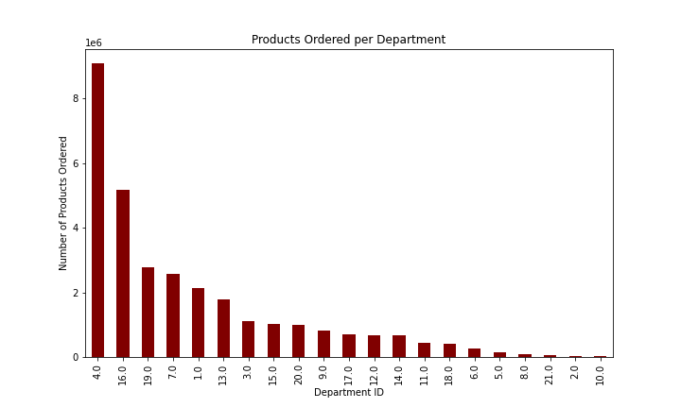
4. Most Popular Types of Products

We can gauge the popularity of certain types of products by consulting the key to the right and the chart above. Each bar represents a count of every product ever purchased from that department.
Coming in at a strong first is produce (4), followed by dairy/eggs (16). By far, these are the two most popular departments. Snacks (19) and beverages (7) follow behind, but do not match up. Instacart may consider including produce, eggs, and dairy products in its promotional materials.

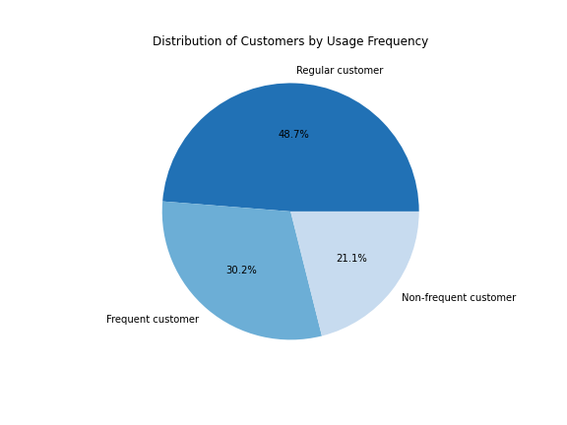
5. Distribution of Customers by Usage Frequency

As requested, all customers have been sorted into three catgories of usage frequency (or "brand loyalty"). The distribution of these customers can be observed to the left. Regular customers make up nearly half of all customers. Frequent customers outnumber new customers, making up about 30% and 21% respectively. The sorting criteria was as follows:
If a customer's average time in between orders was...
Greater than 20 days = Non-frequent customer
Between 10-20 days = Regular customer
Less than 10 days = Frequent customer

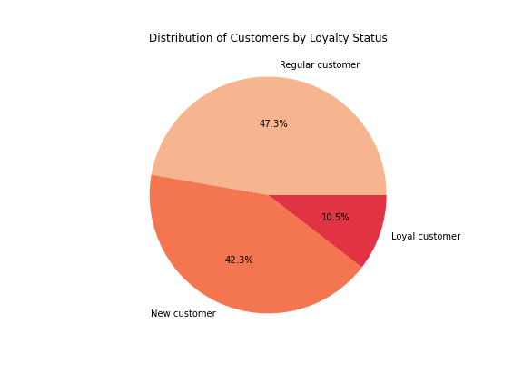
6. Ordering Habits by Customer Loyalty Status

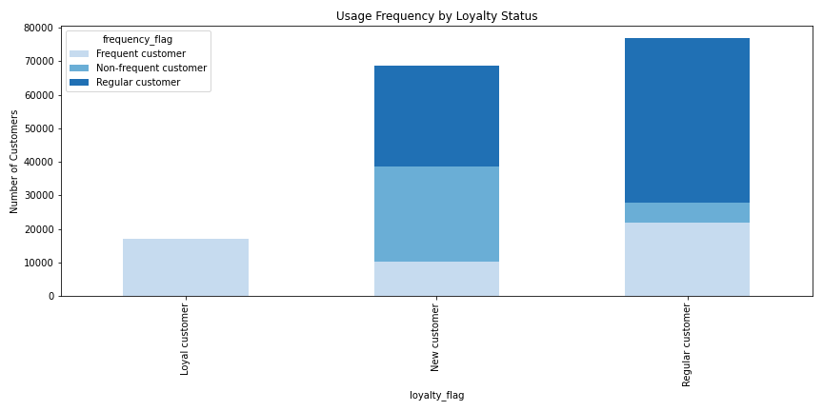

Similarly to the usage frequency grouping above, a different "loyalty status" category was grouped, this time with consideration to the total number of orders placed by a customer. The distribution of loyalty status among customers can be observed above.
The sorting criteria for this variable was as follows:
40 or more orders placed = Loyal customer
Between 10 and 40 orders placed = Regular customer
Less than 10 orders placed = New customer

When comparing customer loyalty status to usage frequency, we can observe how often customers of varying loyalties shop. What is immediately apparent is that among loyal customers (those who have made a lot of orders) virtually everyone uses Instacart very often. The top left cell in the crosstab and the left bar both demonstrate this insight.
We would of course expect a large overlap, but to see that nearly all loyal customers use the app very often is astounding. The implication is that once a customer has made over 40 orders, they will likely use Instacart for most if not all their shopping needs. As such, Instacart should heavily consider encouraging new and regular customers to use their platform as much as possible.

7. Ordering Habits by Customer Region
To the right are three separate crosstabs, each comparing the four regions of the U.S. to a different measure of ordering habits. Each percentage represents a part of the corresponding region. For example, the topmost row shows indicates three groups within the Midwest (29.9% + 21.3% + 48.9% = ~100%).
The first crosstab compares regions against usage frequency, a variable we have just seen.
The second compares regions against how often products from each price range are purchased.
The third compares regions against the all purchases made of products in the top 3 departments - Produce, Dairy/Eggs and Snacks.
Take a moment to notice how across each column, the percentage figures remain relatively uniform for each region. This implies that customer behavior does not vary in any meaningful way across U.S. regions, and that Instacart may rule out a customer's region as an predictor of ordering habits.

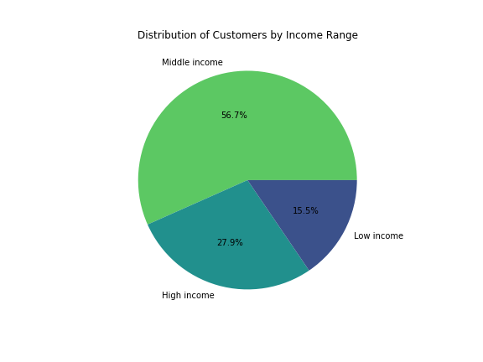
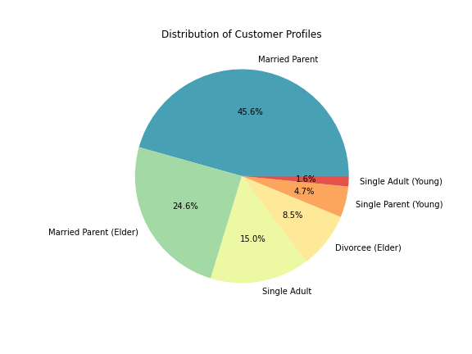
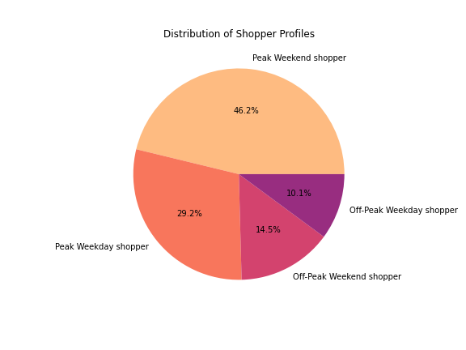
8-9. Customer Profiling

Each of the charts above represents a different way of categorizing Instacart's customer base.
To the left is a distribution of customer profiles derived from demographic data such as age, marital status and parental status. Here, "Young" implies ages 18-21 and "Elder" implies ages 60+. A glance at this chart will reveal that nearly three-fourths are married parents. A perplexing thing to note is that these six somewhat narrow categories do actually account for 100% of the customer base. Unfortunately, analysis produced no meaningful relationship between these customer profiles and measures of ordering habits.
Above is a distribution of customers by their income range. Because very few truly "low income" folks use Instacart, the Low income category accounts for those earning $50,000 or less, with the High income category marking those earning $120,000 or more. Most customers fall in between.
Lastly, to the right is a distribution of customers based on their shopping habits - that is, whether they usually shop during peak hours (9am-5pm) and whether they usually shop on weekdays or weekends. It turns out that about three-fourths of customers shop mostly during peak hours, and nearly two-thirds shop mostly on the weekend.

10A. Customer Behavior vs. Income Range

Firstly, let's see how a customer's income influences their ordering habits. To the right are crosstabs of variables we have seen before: usage frequency and product price range. Below are two charts: the bottom-left indicates average expenditure per order, the bottom-right demonstrates normalized customer preference for of each of the top 3 departments.
A common trend across all four is this: middle and high income customers tend to have similar ordering behavior - low income customers are the odd ones out. Low income customers purchase fewer high- and mid-range products and more low-range ones, they use Instacart less frequently, and they spend much less per order on average. All this, plus the fact that low income customers make up only 15.5% of all customers, suggests that Instacart should focus its efforts mainly on customers earning $50,000 or more.
That said, it is also apparent from the bottom-right chart that low income customers differ in their product preference. Low income customers purchase produce and dairy/eggs products less than other customers, but purchase snacks much more. Instacart may consider including snacks in promotional materials for customers who earn less than $50,000.

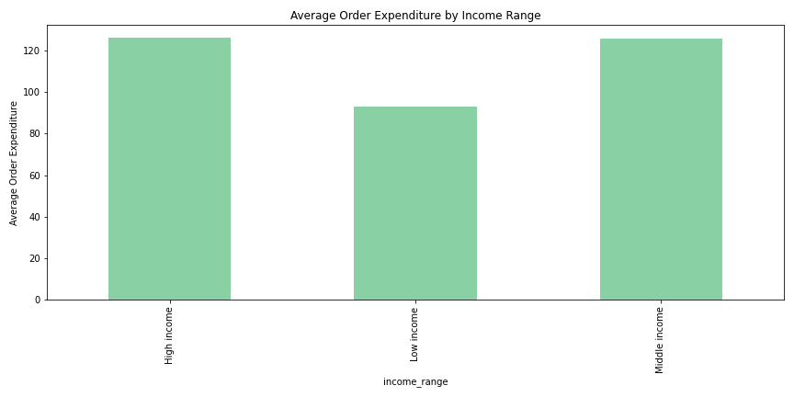
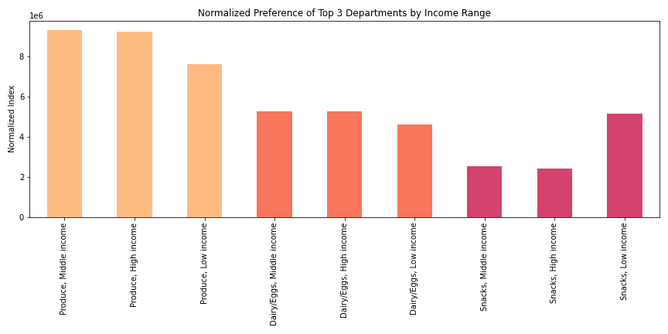

10B. Customer Behavior vs. Shopper Profile

Next, let's focus on the "shopper profile," which describes when a customer usually shops. Here we have two charts just as before, with the bottom-left showing average order expenditure and the bottom-right demonstrating normalized department preference.
The first thing to note is that when it comes to average expenditure per order, off-peak shoppers spend the same throughout the week. However, there is a difference between peak shoppers: peak weekday shoppers spend less than everyone, and peak weekend shoppers spend more than everyone. This implies that shopping done from 9am-5pm on weekends accounts for a disproportionately large chunk of revenue, and that more orders should be encouraged at these times.
Lastly is how different shopper profiles prefer products from the top 3 departments. The main insight to be garnered is the slight difference in the behavior of peak weekday shoppers: they purchase less produce and more snacks. Off-peak weekday shoppers purchase a little less produce as well. This may indicate that the weekend is a slightly better time to market produce, and that weekdays are a slightly better time to market snacks.

